Sheet1
No | Part Number | Brand | Partdesc_En | Partlongdesc_En | Pop | Qtyeach | Vehicle | Picture | Url
1 | 16149 | FS | Evaporator Core /Repair Kit | Evaporator Core Repair Kit w/o Orifice Tube | AA | 1 | Buick Century (94-76) Buick Commercial Chassis (94-91) Buick Electra (90-76) Buick Estate Wagon (83-76) Buick LeSabre (94-76) Buick Opel (79-76) Buick Park Avenue (94-91) Buick Reatta (91-88) Buick Regal (94-76) Buick Riviera (93-76) Buick Roadmaster (94-91) Buick Skyhawk (89-82), (80-76) Buick Skylark (94-76) Buick Somerset (87-86) Buick Somerset Regal (85) Cadillac 60 Special (93) Cadillac Allante (93-87) Cadillac Brougham (92-87) Cadillac Calais (76) Cadillac Cimarron (88-82) Cadillac Commercial Chassis (94-76) Cadillac DeVille (94-76) Cadillac Eldorado (94-76) Cadillac Fleetwood (94-76) Cadillac Seville (94-76) Chevrolet Astro (94-85) Chevrolet Bel Air (81) Chevrolet Beretta (94-87) Chevrolet Blazer (94-87) Chevrolet C10 (86-76) Chevrolet C10 Suburban (86-76) Chevrolet C15 (88-82) Chevrolet C1500 (94-88) Chevrolet C1500 Suburban (94-92) Chevrolet C20 (87-76) Chevrolet C20 Suburban (86-76) Chevrolet C2500 (94-88) Chevrolet C2500 Suburban (94-92) Chevrolet C30 (86-76) Chevrolet C35 (94-83) Chevrolet C3500 (94-88) Chevrolet Camaro (94-76) Chevrolet Caprice (94-76) Chevrolet Cavalier (94-82) Chevrolet Celebrity (90-82) Chevrolet Chevette (87-76) Chevrolet Chevy (94) Chevrolet Citation (86-80) Chevrolet Citation II (85-84) Chevrolet Commercial Chassis (94-91) Chevrolet Corsica (94-87) Chevrolet Corvette (94-84), (82-76) Chevrolet El Camino (87-76) Chevrolet G10 (94-76) Chevrolet G20 (94-76) Chevrolet G30 (94-76) Chevrolet Impala (94), (85-76) Chevrolet K10 (86-76) Chevrolet K10 Suburban (86-76) Chevrolet K1500 (94-88) Chevrolet K1500 Suburban (94-92) Chevrolet K20 (86-76) Chevrolet K20 Suburban (86-76) Chevrolet K2500 (94-88) Chevrolet K2500 Suburban (94-92) Chevrolet K30 (86-77) Chevrolet K3500 (94-88) Chevrolet K5 Blazer (86-76) Chevrolet Laguna (76) Chevrolet LLV (94-87) Chevrolet Lumina (94-90) Chevrolet Lumina APV (94-90) Chevrolet LUV (82-76) Chevrolet Malibu (83-76) Chevrolet Metro (92) Chevrolet Monte Carlo (88-76) Chevrolet Monza (80-76) Chevrolet Nova (88-8 |  | https://www.4s.com/en/ecatalog?part=16149&type=p&search=s
2 | 16152 | FS | Evaporator Core /Repair Kit | Evaporator Core Repair Kit w/ White Orifice Tube | AA | 1 | Buick Century (94-76) Buick Commercial Chassis (94-91) Buick Electra (90-76) Buick Estate Wagon (83-76) Buick LeSabre (94-76) Buick Opel (79-76) Buick Park Avenue (94-91) Buick Reatta (91-88) Buick Regal (94-76) Buick Riviera (93-76) Buick Roadmaster (94-91) Buick Skyhawk (89-82), (80-76) Buick Skylark (94-76) Buick Somerset (87-86) Buick Somerset Regal (85) Cadillac 60 Special (93) Cadillac Allante (93-87) Cadillac Brougham (92-87) Cadillac Calais (76) Cadillac Cimarron (88-82) Cadillac Commercial Chassis (94-76) Cadillac DeVille (94-76) Cadillac Eldorado (94-76) Cadillac Fleetwood (94-76) Cadillac Seville (94-76) Chevrolet Astro (94-85) Chevrolet Bel Air (81) Chevrolet Beretta (94-87) Chevrolet Blazer (94-87) Chevrolet C10 (86-76) Chevrolet C10 Suburban (86-76) Chevrolet C15 (88-82) Chevrolet C1500 (94-88) Chevrolet C1500 Suburban (94-92) Chevrolet C20 (87-76) Chevrolet C20 Suburban (86-76) Chevrolet C2500 (94-88) Chevrolet C2500 Suburban (94-92) Chevrolet C30 (86-76) Chevrolet C35 (94-83) Chevrolet C3500 (94-88) Chevrolet Camaro (94-76) Chevrolet Caprice (94-76) Chevrolet Cavalier (94-82) Chevrolet Celebrity (90-82) Chevrolet Chevette (87-76) Chevrolet Chevy (94) Chevrolet Citation (86-80) Chevrolet Citation II (85-84) Chevrolet Commercial Chassis (94-91) Chevrolet Corsica (94-87) Chevrolet Corvette (94-84), (82-76) Chevrolet El Camino (87-76) Chevrolet G10 (94-76) Chevrolet G20 (94-76) Chevrolet G30 (94-76) Chevrolet Impala (94), (85-76) Chevrolet K10 (86-76) Chevrolet K10 Suburban (86-76) Chevrolet K1500 (94-88) Chevrolet K1500 Suburban (94-92) Chevrolet K20 (86-76) Chevrolet K20 Suburban (86-76) Chevrolet K2500 (94-88) Chevrolet K2500 Suburban (94-92) Chevrolet K30 (86-77) Chevrolet K3500 (94-88) Chevrolet K5 Blazer (86-76) Chevrolet Laguna (76) Chevrolet LLV (94-87) Chevrolet Lumina (94-90) Chevrolet Lumina APV (94-90) Chevrolet LUV (82-76) Chevrolet Malibu (83-76) Chevrolet Metro (92) Chevrolet Monte Carlo (88-76) Chevrolet Monza (80-76) Chevrolet Nova (88-8 |  | https://www.4s.com/en/ecatalog?part=16152&type=p&search=s
3 | 16155 | FS | Evaporator Core /Repair Kit | Evaporator Core Repair Kit w/o Orifice Tube | C | 1 | Ford Aerostar (94-86) Ford Aspire (94) Ford B-100 (80) Ford B-150 (85-81) Ford B-200 (91-85) Ford B-200 Panel (86) Ford B-600 (94-88) Ford B-700 (94-88) Ford Bronco (94-80) Ford Bronco II (90-84) Ford C800 (89-88) Ford C8000 (90-88) Ford CF6000 (90-88) Ford CF7000 (94-88) Ford CF8000 (94-88) Ford CFT8000 (94-92), (90-88) Ford CL9000 (91-88) Ford CLT9000 (91-88) Ford Cougar (94-90), (88-85) Ford Country Squire (91-87) Ford Courier (82-80) Ford Crown Victoria (94-92) Ford CT8000 (90-88) Ford E-100 Econoline (83-80) Ford E-100 Econoline Club Wagon (83-80) Ford E-150 Econoline (94-80) Ford E-150 Econoline Club Wagon (94-80) Ford E-250 Econoline (94-80) Ford E-250 Econoline Club Wagon (91-80) Ford E-350 Econoline (94-80) Ford E-350 Econoline Club Wagon (94-80) Ford Escort (94-81) Ford EXP (88-82) Ford Explorer (94-91) Ford F-100 (83-80) Ford F-150 (94-80) Ford F-200 (91-86) Ford F-250 (94-80) Ford F-350 (94-80) Ford F-53 Motorhome Chassis (94-88) Ford F-59 Commercial Stripped Chassis (94-88) Ford F-600 (94-88) Ford F-600 LPO (94-90) Ford F-700 (94-88) Ford F-700 LPO (94-90) Ford F-800 (94-88) Ford Fairmont (83-80) Ford Festiva (93-88) Ford Fiesta (80) Ford F-Super Duty (94-88) Ford FT800 (90-88) Ford FT900 (94-88) Ford Ghia (94-91) Ford Granada (82-80) Ford Grand Marquis (94-91) Ford L8000 (88) Ford L8000F (94-88) Ford L9000 (94-88) Ford LA8000F (94-91) Ford LA9000 (94-88) Ford LL9000 (94), (92-88) Ford LLA9000 (94-92) Ford LLS9000 (94) Ford LN7000 (94-88) Ford LN8000 (94-88) Ford LN9000 (94-88) Ford LNT8000 (89-88) Ford LNT8000F (94-88) Ford LNT9000 (94-88) Ford LS8000 (89-88) Ford LS8000F (94-88) Ford LS9000 (94-88) Ford LT8000 (88) Ford LT8000F (94-88) Ford LT9000 (94-88) Ford LTA9000 (94-88) Ford LTD (86-80) Ford LTD Crown Victoria (91-87) Ford LTL9000 (94-88) Ford LTLA9000 (94-92) Ford LTLS9000 (94-92) Ford LTS8000 (89-88) Ford LTS8000F (94-88) Ford LTS9000 (94-88) Ford Mustang (94-80) Ford P-350 (94-86) Ford P-600 (94-93) Ford Pinto (80) Ford Probe (94-89) Ford Ran |  | https://www.4s.com/en/ecatalog?part=16155&type=p&search=s
4 | 44001 | FS | Evaporator Core | Plate & Fin Evaporator Core | C | 1 | Audi A3 (13-06) Audi A3 Quattro (13-06) Audi TT (14-08) Audi TT Quattro (15-08) Audi TT RS Quattro (14-11) Audi TTS Quattro (15-09) Volkswagen CC (17-14) Volkswagen Eos (16-07) Volkswagen GLI (10) Volkswagen Golf (14-10), (07-06) Volkswagen Golf City (10-07) Volkswagen Golf R (13-12) Volkswagen Golf Sportwagen (11-10) Volkswagen GTI (14-06) Volkswagen Jetta (18-05) Volkswagen Jetta City (09-07) Volkswagen R32 (08) Volkswagen Rabbit (09-06) Volkswagen Tiguan (17-09) Volkswagen Tiguan Limited (18-17) | 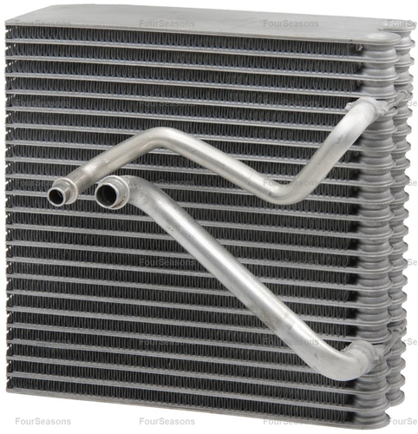 | https://www.4s.com/en/ecatalog?part=44001&type=p&search=s
5 | 44002 | FS | Evaporator Core | Plate & Fin Evaporator Core | F | 1 | Toyota Highlander (07-06) | 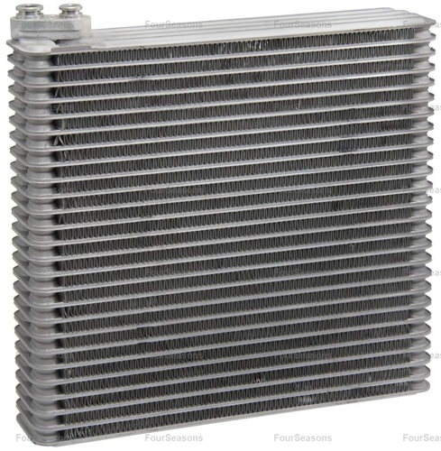 | https://www.4s.com/en/ecatalog?part=44002&type=p&search=s
6 | 44003 | FS | Evaporator Core | Plate & Fin Evaporator Core | D | 1 | Subaru Impreza (07-02) | 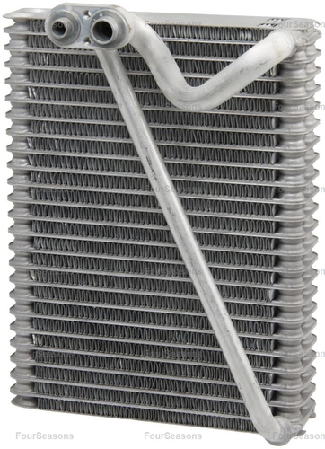 | https://www.4s.com/en/ecatalog?part=44003&type=p&search=s
7 | 44014 | FS | Evaporator Core | Plate & Fin Evaporator Core | F | 1 | Suzuki Aerio (07-02) | 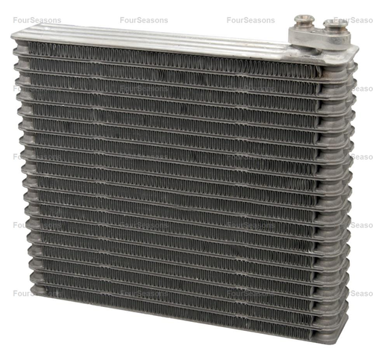 | https://www.4s.com/en/ecatalog?part=44014&type=p&search=s
8 | 44015 | FS | Evaporator Core | Plate & Fin Evaporator Core | F | 1 | Chevrolet Optra (07-04) Suzuki Forenza (08-04) Suzuki Reno (08-05) | 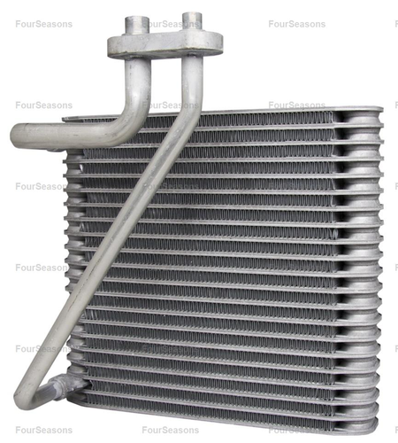 | https://www.4s.com/en/ecatalog?part=44015&type=p&search=s
9 | 44017 | FS | Evaporator Core | Plate & Fin Evaporator Core | W | 1 | Suzuki Grand Vitara (05-03) Suzuki XL-7 (06-03) | 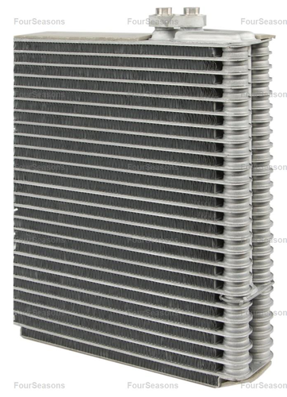 | https://www.4s.com/en/ecatalog?part=44017&type=p&search=s
10 | 44021 | FS | Evaporator Core | Plate & Fin Evaporator Core | W | 1 | Saab 9-5 (09-99) | 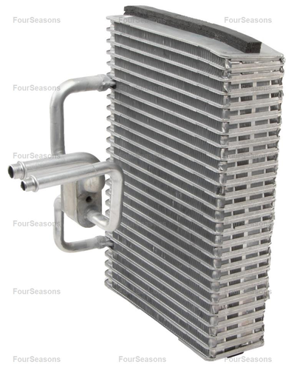 | https://www.4s.com/en/ecatalog?part=44021&type=p&search=s

